table8
Table 8. Venn diagramn

Proteins exclisives: DMEM | Proteins exclisives: NUAD | Proteins exclisives: ZFD | Proteins exclisives: ZWD | Proteins identified: DMEM | Proteins identified: NUAD | Proteins identified: ZFD | Proteins identified: ZWD
A1A4R1 | P00741 | A5D7C2 | A6H6W9 | Protein IDs | Protein IDs | Protein IDs | Protein IDs
A2I7M9 | P62833;P61223 | CON__O76011 | CON__Q86YZ3 | A1A4R1 | CON__A2I7N1;A2I7N1;Q3ZEJ6;CON__A2I7N0;A2I7N0;A2I7N2 | CON__A2I7N1;A2I7N1;Q3ZEJ6;CON__A2I7N0;A2I7N0;A2I7N2 | CON__A2I7N3;A2I7N3
A6QPQ2 | P81948;Q3ZCJ7;Q2HJB8;Q32KN8;P81947;Q2HJ86 | CON__P08779 | P39873 | A2I7M9 | CON__A2I7N3;A2I7N3 | CON__A2I7N3;A2I7N3 | Q5E9F8;A5PK61;Q3SZB8;P84227;P68432
CON__Q2HJF0 | Q06805 | CON__Q14533 | P81282-2;P81282 | CON__A2I7N1;A2I7N1;Q3ZEJ6;CON__A2I7N0;A2I7N0;A2I7N2 | Q5E9F8;A5PK61;Q3SZB8;P84227;P68432 | A5D7C2 | A6H6W9
CON__Q6T181 | Q0VCX1 | CON__Q6NT21;CON__P78385 | P82943 | CON__A2I7N3;A2I7N3 | A6QP79 | Q5E9F8;A5PK61;Q3SZB8;P84227;P68432 | A6QP79
Q27975;Q27965;P0CB32 | Q95122 | CON__Q9BYQ7 | Q3MHL4 | A6QPQ2 | A6QQF6 | A6QP79 | A6QQF6
 |  | CON__Q9BYQ8 | Q3SYW2 | CON__ENSEMBL:ENSBTAP00000007350 | CON__ENSEMBL:ENSBTAP00000007350 | A6QQF6 | CON__ENSEMBL:ENSBTAP00000007350
 |  | P01030 | Q3T124-2;Q3T124 | CON__ENSEMBL:ENSBTAP00000014147 | CON__ENSEMBL:ENSBTAP00000014147 | CON__ENSEMBL:ENSBTAP00000007350 | CON__ENSEMBL:ENSBTAP00000014147
 |  | P28783 |  | CON__ENSEMBL:ENSBTAP00000016046 | CON__ENSEMBL:ENSBTAP00000016046 | CON__ENSEMBL:ENSBTAP00000014147 | CON__ENSEMBL:ENSBTAP00000016046
 |  | P48035 |  | CON__ENSEMBL:ENSBTAP00000018229 | CON__ENSEMBL:ENSBTAP00000018574 | CON__ENSEMBL:ENSBTAP00000016046 | CON__ENSEMBL:ENSBTAP00000018229
 |  |  |  | CON__ENSEMBL:ENSBTAP00000018574 | CON__ENSEMBL:ENSBTAP00000023055 | CON__ENSEMBL:ENSBTAP00000018229 | CON__ENSEMBL:ENSBTAP00000018574
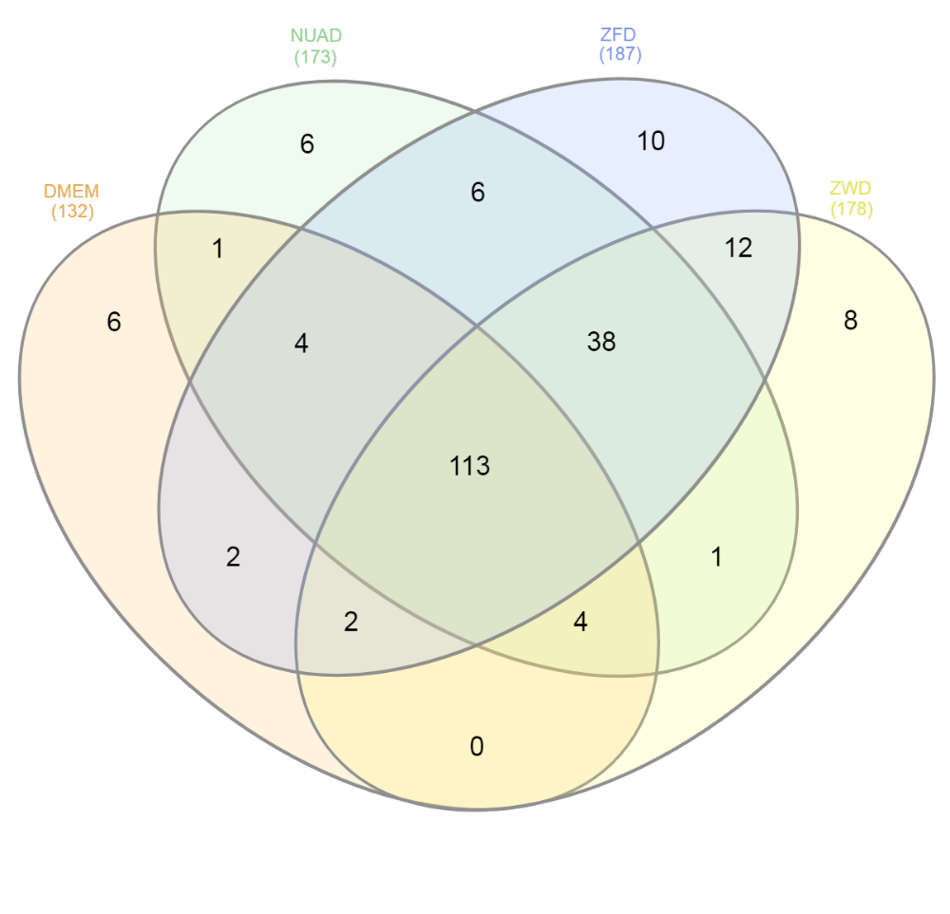
 |  |  |  | CON__ENSEMBL:ENSBTAP00000023055 | E1BF81;CON__ENSEMBL:ENSBTAP00000023402 | CON__ENSEMBL:ENSBTAP00000018574 | CON__ENSEMBL:ENSBTAP00000023055
 |  |  |  | E1BF81;CON__ENSEMBL:ENSBTAP00000023402 | CON__ENSEMBL:ENSBTAP00000024462 | CON__ENSEMBL:ENSBTAP00000023055 | CON__ENSEMBL:ENSBTAP00000024462
 |  |  |  | CON__ENSEMBL:ENSBTAP00000024462 | CON__ENSEMBL:ENSBTAP00000025008;Q3ZBU7;Q2HJ81;Q2T9S0 | E1BF81;CON__ENSEMBL:ENSBTAP00000023402 | CON__ENSEMBL:ENSBTAP00000025008;Q3ZBU7;Q2HJ81;Q2T9S0
 |  |  |  | CON__ENSEMBL:ENSBTAP00000032840 | CON__ENSEMBL:ENSBTAP00000032840 | CON__ENSEMBL:ENSBTAP00000024462 | CON__ENSEMBL:ENSBTAP00000032840
 |  |  |  | CON__ENSEMBL:ENSBTAP00000034412 | CON__ENSEMBL:ENSBTAP00000034412 | CON__ENSEMBL:ENSBTAP00000032840 | CON__ENSEMBL:ENSBTAP00000034412
 |  |  |  | CON__ENSEMBL:ENSBTAP00000038329 | CON__ENSEMBL:ENSBTAP00000037665 | CON__ENSEMBL:ENSBTAP00000037665 | CON__ENSEMBL:ENSBTAP00000037665
 |  |  |  | CON__O43790 | CON__ENSEMBL:ENSBTAP00000038329 | CON__ENSEMBL:ENSBTAP00000038329 | CON__ENSEMBL:ENSBTAP00000038329
 |  |  |  | P00735;CON__P00735 | CON__O43790 | CON__O43790 | CON__O43790
 |  |  |  | CON__P00761 | P00735;CON__P00735 | CON__O76011 | CON__O76013;CON__O76015;CON__A2AB72;CON__A2VCT4
 |  |  |  | P00978;CON__P00978 | CON__P00761 | CON__O76013;CON__O76015;CON__A2AB72;CON__A2VCT4 | P00735;CON__P00735
 |  |  |  | CON__P01030 | P00978;CON__P00978 | P00735;CON__P00735 | CON__P00761
 |  |  |  | P01044;CON__P01044-1;P01044-2 | CON__P01030 | CON__P00761 | P00978;CON__P00978
 |  |  |  | P01045;CON__P01045-1;P01045-2 | P01044;CON__P01044-1;P01044-2 | P00978;CON__P00978 | CON__P01030
 |  |  |  | P01966;CON__P01966 | P01045;CON__P01045-1;P01045-2 | CON__P01030 | P01044;CON__P01044-1;P01044-2
 |  |  |  | P02070;CON__P02070 | P01966;CON__P01966 | P01044;CON__P01044-1;P01044-2 | P01045;CON__P01045-1;P01045-2
 |  |  |  | CON__P02533;CON__Q04695;CON__Q9QWL7;A1L595;CON__Q6IFX2;CON__A2A4G1;CON__P08727;CON__P19001;CON__P19012;P05785;CON__Q61782;CON__P08730-1;CON__Q9Z2K1;CON__Q3ZAW8 | P02070;CON__P02070 | P01045;CON__P01045-1;P01045-2 | P01966;CON__P01966
 |  |  |  | P02672;CON__P02672 | CON__P02533;CON__Q04695;CON__Q9QWL7;A1L595;CON__Q6IFX2;CON__A2A4G1;CON__P08727;CON__P19001;CON__P19012;P05785;CON__Q61782;CON__P08730-1;CON__Q9Z2K1;CON__Q3ZAW8 | P01966;CON__P01966 | P02070;CON__P02070
 |  |  |  | P02676;CON__P02676 | P02672;CON__P02672 | P02070;CON__P02070 | CON__P02533;CON__Q04695;CON__Q9QWL7;A1L595;CON__Q6IFX2;CON__A2A4G1;CON__P08727;CON__P19001;CON__P19012;P05785;CON__Q61782;CON__P08730-1;CON__Q9Z2K1;CON__Q3ZAW8
 |  |  |  | CON__P02768-1 | P02676;CON__P02676 | CON__P02533;CON__Q04695;CON__Q9QWL7;A1L595;CON__Q6IFX2;CON__A2A4G1;CON__P08727;CON__P19001;CON__P19012;P05785;CON__Q61782;CON__P08730-1;CON__Q9Z2K1;CON__Q3ZAW8 | P02672;CON__P02672
 |  |  |  | P02769;CON__P02769 | CON__P02768-1 | P02672;CON__P02672 | P02676;CON__P02676
 |  |  |  | CON__P04258;P04258 | P02769;CON__P02769 | P02676;CON__P02676 | CON__P02768-1
 |  |  |  | CON__P04264;CON__Q6IFZ6;CON__H-INV:HIT000016045;CON__Q7Z794;CON__Q9H552;CON__Q9R0H5 | CON__P02777 | CON__P02768-1 | P02769;CON__P02769
 |  |  |  | P06868;CON__P06868 | CON__P04258;P04258 | P02769;CON__P02769 | CON__P02777
 |  |  |  | P12763;CON__P12763 | CON__P04264;CON__Q6IFZ6;CON__H-INV:HIT000016045;CON__Q7Z794;CON__Q9H552;CON__Q9R0H5 | CON__P02777 | CON__P04258;P04258
 |  |  |  | CON__P13645;P06394;CON__P02535-1;CON__P05784;Q148H6;CON__Q148H6;CON__Q7Z3Y7;Q0P5J4;CON__Q7Z3Z0;CON__Q7Z3Y8;Q0P5J6;CON__Q7Z3Y9;CON__Q2M2I5 | P06868;CON__P06868 | CON__P04258;P04258 | CON__P04264;CON__Q6IFZ6;CON__H-INV:HIT000016045;CON__Q7Z794;CON__Q9H552;CON__Q9R0H5
 |  |  |  | CON__P13647 | P12763;CON__P12763 | CON__P04264;CON__Q6IFZ6;CON__H-INV:HIT000016045;CON__Q7Z794;CON__Q9H552;CON__Q9R0H5 | P06868;CON__P06868
 |  |  |  | P15497;CON__P15497 | CON__P13645;P06394;CON__P02535-1;CON__P05784;Q148H6;CON__Q148H6;CON__Q7Z3Y7;Q0P5J4;CON__Q7Z3Z0;CON__Q7Z3Y8;Q0P5J6;CON__Q7Z3Y9;CON__Q2M2I5 | P06868;CON__P06868 | P12763;CON__P12763
 |  |  |  | P17690;CON__P17690 | CON__P13647 | CON__P08779 | CON__P13645;P06394;CON__P02535-1;CON__P05784;Q148H6;CON__Q148H6;CON__Q7Z3Y7;Q0P5J4;CON__Q7Z3Z0;CON__Q7Z3Y8;Q0P5J6;CON__Q7Z3Y9;CON__Q2M2I5
 |  |  |  | P17697;CON__P17697 | P15497;CON__P15497 | P12763;CON__P12763 | CON__P13647
 |  |  |  | P28800;CON__P28800 | P17690;CON__P17690 | CON__P13645;P06394;CON__P02535-1;CON__P05784;Q148H6;CON__Q148H6;CON__Q7Z3Y7;Q0P5J4;CON__Q7Z3Z0;CON__Q7Z3Y8;Q0P5J6;CON__Q7Z3Y9;CON__Q2M2I5 | P15497;CON__P15497
 |  |  |  | P34955;CON__P34955 | P17697;CON__P17697 | CON__P13647 | P17690;CON__P17690
 |  |  |  | CON__P35527 | P28800;CON__P28800 | P15497;CON__P15497 | P17697;CON__P17697
 |  |  |  | CON__P35908;CON__Q6NXH9;P04262;P04260;Q148H8;CON__Q7RTS7;A7YWK3 | P34955;CON__P34955 | P17690;CON__P17690 | CON__P19013
 |  |  |  | P41361;CON__P41361 | CON__P35527 | P17697;CON__P17697 | P28800;CON__P28800
 |  |  |  | P50448;CON__P50448 | CON__P35908;CON__Q6NXH9;P04262;P04260;Q148H8;CON__Q7RTS7;A7YWK3 | CON__P19013 | P34955;CON__P34955
 |  |  |  | P68301;P67983;P58280;P55943;P55942;CON__P67983 | P41361;CON__P41361 | P28800;CON__P28800 | CON__P35527
 |  |  |  | P81644;CON__P81644 | P50448;CON__P50448 | P34955;CON__P34955 | CON__P35908;CON__Q6NXH9;P04262;P04260;Q148H8;CON__Q7RTS7;A7YWK3
 |  |  |  | Q03247;CON__Q03247 | CON__P78386;CON__Q9NSB4 | CON__P35527 | P41361;CON__P41361
 |  |  |  | Q05443;CON__Q05443 | P81644;CON__P81644 | CON__P35908;CON__Q6NXH9;P04262;P04260;Q148H8;CON__Q7RTS7;A7YWK3 | P50448;CON__P50448
 |  |  |  | CON__Q29443;Q29443;CON__Q0IIK2 | Q03247;CON__Q03247 | P41361;CON__P41361 | P68301;P67983;P58280;P55943;P55942;CON__P67983
 |  |  |  | P56652;CON__Q0V8M9 | Q05443;CON__Q05443 | P50448;CON__P50448 | CON__P78386;CON__Q9NSB4
 |  |  |  | Q0VCM5;CON__Q0VCM5 | CON__Q29443;Q29443;CON__Q0IIK2 | P68301;P67983;P58280;P55943;P55942;CON__P67983 | P81644;CON__P81644
 |  |  |  | CON__Q14525;Q0P5J7;CON__Q497I4;A7YWM2;CON__Q6IFU5 | P56652;CON__Q0V8M9 | CON__P78386;CON__Q9NSB4 | Q03247;CON__Q03247
 |  |  |  | CON__Q1A7A4;P12082 | Q0VCM5;CON__Q0VCM5 | P81644;CON__P81644 | Q05443;CON__Q05443
 |  |  |  | CON__Q1RMN8 | CON__Q14525;Q0P5J7;CON__Q497I4;A7YWM2;CON__Q6IFU5 | Q03247;CON__Q03247 | CON__Q29443;Q29443;CON__Q0IIK2
 |  |  |  | Q28065;CON__Q28065 | CON__Q9UE12;CON__Q15323;CON__Q92764 | CON__Q29443;Q29443;CON__Q0IIK2 | P56652;CON__Q0V8M9
 |  |  |  | Q28085;CON__Q28085 | CON__Q1A7A4;P12082 | P56652;CON__Q0V8M9 | Q0VCM5;CON__Q0VCM5
 |  |  |  | Q28107;CON__Q28107 | CON__Q1RMN8 | Q0VCM5;CON__Q0VCM5 | CON__Q14525;Q0P5J7;CON__Q497I4;A7YWM2;CON__Q6IFU5
 |  |  |  | CON__Q28194 | Q28065;CON__Q28065 | CON__Q14525;Q0P5J7;CON__Q497I4;A7YWM2;CON__Q6IFU5 | CON__Q9UE12;CON__Q15323;CON__Q92764
 |  |  |  | Q29RQ1;CON__Q29RQ1 | Q28085;CON__Q28085 | CON__Q14533 | CON__Q1A7A4;P12082
 |  |  |  | CON__Q2HJF0 | Q28107;CON__Q28107 | CON__Q9UE12;CON__Q15323;CON__Q92764 | CON__Q1RMK2
 |  |  |  | CON__Q2KIF2 | CON__Q28194 | CON__Q1A7A4;P12082 | CON__Q1RMN8
 |  |  |  | Q2KIG3;CON__Q2KIG3 | Q29RQ1;CON__Q29RQ1 | CON__Q1RMK2 | Q28065;CON__Q28065
 |  |  |  | CON__Q2KIH2 | CON__Q2KIF2 | CON__Q1RMN8 | Q28085;CON__Q28085
 |  |  |  | Q2KIS7;CON__Q2KIS7 | Q2KIG3;CON__Q2KIG3 | Q28065;CON__Q28065 | Q28107;CON__Q28107
 |  |  |  | CON__Q2KJ62 | CON__Q2KIH2 | Q28085;CON__Q28085 | CON__Q28194
 |  |  |  | Q2KJF1;CON__Q2KJF1 | Q2KIS7;CON__Q2KIS7 | Q28107;CON__Q28107 | Q29RQ1;CON__Q29RQ1
 |  |  |  | CON__Q2TBQ1 | CON__Q2KJ62 | CON__Q28194 | CON__Q2KIF2
 |  |  |  | CON__Q32PI4 | Q2KJF1;CON__Q2KJF1 | Q29RQ1;CON__Q29RQ1 | Q2KIG3;CON__Q2KIG3
 |  |  |  | Q32PJ2;CON__Q32PJ2 | CON__Q2TBQ1 | CON__Q2KIF2 | CON__Q2KIH2
 |  |  |  | CON__Q3KUS7;P81187 | CON__Q32PI4 | Q2KIG3;CON__Q2KIG3 | Q2KIS7;CON__Q2KIS7
 |  |  |  | CON__Q3MHH8 | Q32PJ2;CON__Q32PJ2 | CON__Q2KIH2 | CON__Q2KJ62
 |  |  |  | Q3MHN2;CON__Q3MHN2 | CON__Q3KUS7;P81187 | Q2KIS7;CON__Q2KIS7 | CON__Q2KJC7
 |  |  |  | Q3MHN5;CON__Q3MHN5 | CON__Q3MHH8 | CON__Q2KJ62 | Q2KJF1;CON__Q2KJF1
 |  |  |  | CON__Q3SX14 | Q3MHN2;CON__Q3MHN2 | CON__Q2KJC7 | CON__Q2TBQ1
 |  |  |  | Q3SZ57;CON__Q3SZ57 | Q3MHN5;CON__Q3MHN5 | Q2KJF1;CON__Q2KJF1 | CON__Q32PI4
 |  |  |  | Q3SZR3;CON__Q3SZR3 | CON__Q3SX14 | CON__Q2TBQ1 | Q32PJ2;CON__Q32PJ2
 |  |  |  | Q3SZV7;CON__Q3SZV7 | Q3SZ57;CON__Q3SZ57 | CON__Q32PI4 | CON__Q3KUS7;P81187
 |  |  |  | Q3T052;CON__Q3T052 | Q3SZV7;CON__Q3SZV7 | Q32PJ2;CON__Q32PJ2 | CON__Q3MHH8
 |  |  |  | Q3Y5Z3;CON__Q3Y5Z3 | Q3T052;CON__Q3T052 | CON__Q3KUS7;P81187 | Q3MHN2;CON__Q3MHN2
 |  |  |  | CON__Q3ZBS7 | Q3Y5Z3;CON__Q3Y5Z3 | CON__Q3MHH8 | Q3MHN5;CON__Q3MHN5
 |  |  |  | Q58D62;CON__Q58D62 | CON__Q3ZBS7 | Q3MHN2;CON__Q3MHN2 | CON__Q3SX14
 |  |  |  | CON__Q6T181 | Q58D62;CON__Q58D62 | Q3MHN5;CON__Q3MHN5 | Q3SZ57;CON__Q3SZ57
 |  |  |  | Q95121;CON__Q95121 | CON__Q8IUT8 | CON__Q3SX14 | Q3SZV7;CON__Q3SZV7
 |  |  |  | Q95M17;CON__Q95M17 | Q95121;CON__Q95121 | Q3SZ57;CON__Q3SZ57 | Q3T052;CON__Q3T052
 |  |  |  | Q9N2I2;CON__Q9N2I2 | Q95M17;CON__Q95M17 | Q3SZR3;CON__Q3SZR3 | Q3Y5Z3;CON__Q3Y5Z3
 |  |  |  | CON__Q9TRI1 | CON__Q9BYQ5;CON__Q9BYR4 | Q3SZV7;CON__Q3SZV7 | CON__Q3ZBS7
 |  |  |  | Q9TT36;CON__Q9TT36 | CON__Q9BYR9 | Q3T052;CON__Q3T052 | Q58D62;CON__Q58D62
 |  |  |  | Q9TTE1;CON__Q9TTE1 | Q9N2I2;CON__Q9N2I2 | Q3Y5Z3;CON__Q3Y5Z3 | CON__Q86YZ3
 |  |  |  | CON__REFSEQ:XP_001252647 | CON__Q9NSB2;CON__Q6ISB0 | CON__Q3ZBS7 | CON__Q8IUT8
 |  |  |  | G3MYZ3;CON__REFSEQ:XP_585019 | CON__Q9TRI1 | Q58D62;CON__Q58D62 | Q95121;CON__Q95121
 |  |  |  | O46375 | Q9TT36;CON__Q9TT36 | CON__Q6NT21;CON__P78385 | Q95M17;CON__Q95M17
 |  |  |  | P00745 | Q9TTE1;CON__Q9TTE1 | CON__Q8IUT8 | CON__Q9BYQ5;CON__Q9BYR4
 |  |  |  | P01017;CON__Q3SZH5 | CON__REFSEQ:XP_001252647 | Q95121;CON__Q95121 | CON__Q9BYR9
 |  |  |  | P01035 | G3MYZ3;CON__REFSEQ:XP_585019 | Q95M17;CON__Q95M17 | Q9N2I2;CON__Q9N2I2
 |  |  |  | P02081;CON__Q3SX09;P06643;P06642 | O46375 | CON__Q9BYQ5;CON__Q9BYR4 | CON__Q9NSB2;CON__Q6ISB0
 |  |  |  | P02453;CON__Q862S4 | P00741 | CON__Q9BYQ7 | CON__Q9TRI1
 |  |  |  | P02465 | P00743 | CON__Q9BYQ8 | Q9TT36;CON__Q9TT36
 |  |  |  | P05689 | P00745 | CON__Q9BYR9 | Q9TTE1;CON__Q9TTE1
 |  |  |  | P07589 | P01017;CON__Q3SZH5 | Q9N2I2;CON__Q9N2I2 | CON__REFSEQ:XP_001252647
 |  |  |  | P10096 | P01035 | CON__Q9NSB2;CON__Q6ISB0 | G3MYZ3;CON__REFSEQ:XP_585019
 |  |  |  | P12799 | P02081;CON__Q3SX09;P06643;P06642 | CON__Q9TRI1 | O46375
 |  |  |  | P13135 | P02453;CON__Q862S4 | Q9TT36;CON__Q9TT36 | O62644
 |  |  |  | P13384 | P02459 | Q9TTE1;CON__Q9TTE1 | P00743
 |  |  |  | P13608-2;P13608 | P02465 | CON__REFSEQ:XP_001252647 | P01017;CON__Q3SZH5
 |  |  |  | P15781 | P05689 | G3MYZ3;CON__REFSEQ:XP_585019 | P01035
 |  |  |  | P18902 | P07456 | O46375 | P02081;CON__Q3SX09;P06643;P06642
 |  |  |  | P23805;P42916 | P07589 | O62644 | P02453;CON__Q862S4
 |  |  |  | P33433 | P10096 | P00743 | P02459
 |  |  |  | P35445;CON__ENSEMBL:ENSBTAP00000006074 | P12799 | P01017;CON__Q3SZH5 | P02465
 |  |  |  | P51186 | P13135 | P01030 | P05689
 |  |  |  | P63258;P60712;Q3ZC07;P68138;Q5E9B5;P62739 | P13384 | P01035 | P07456
 |  |  |  | P63103 | P15781 | P02081;CON__Q3SX09;P06643;P06642 | P07589
 |  |  |  | P68103;Q32PH8 | P18902 | P02453;CON__Q862S4 | P08487
 |  |  |  | P80109 | P19035 | P02459 | P10096
 |  |  |  | Q03763 | P20959 | P02465 | P12799
...

table9
Table 9. Hierarchical clustering
Distance: Euclidian
Linkage: Average

